Gold bullion coins
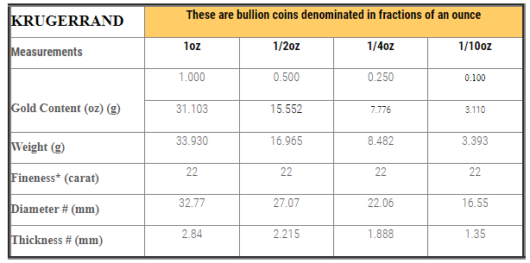
No | Troy ounces | Selling @ | Buying @
1 | 1/10 oz | R3,200.00 | R2,900 | R300
2 | 1/4 oz | R7,900 | R7,020 | R880
3 | 1/2 oz | R15,500 | R13,500 | R2,000
4 | 1 oz | R29,850 | R28,600 | R1,250

1 | 1/10 oz | R3,256.20 | R2,807 | R449
2 | 1/4 oz | R7,930 | R7,018 | R912
3 | 1/2 oz | R15,439 | R14,035 | R1,404
4 | 1 oz | R30,036 | R28,071 | R1,965

